Home
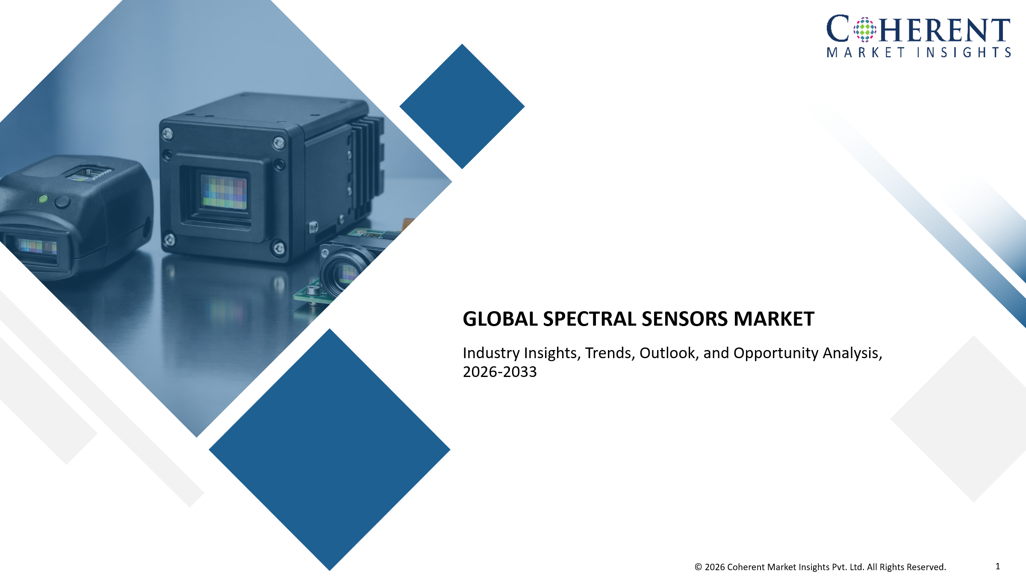

Proposition 1
(list of 100-120 Customer)

Proposition 2
(list of 100-120 Customer)

Proposition 3
(list of 100-120 Customer)

Proposition 1 - Basic
Home
Spectral Sensors Market - Customer Database Verified directory and insight on customers

S.No. | Customer Information |  |  |  |  | Contact Details |  |  |  |  |  | Professional Drivers
 | Customer Name/Company Name | Business Overview | Industry Vertical (Aerospace & Defense / Agriculture / Industrial Manufacturing / Healthcare & Life Sciences / Environmental Monitoring / Automotive (ADAS) / Research & Academia) | Total Annual Revenue (US$ Million) | Customer Size / Scale (Large enterprise (multi-location national/global) / Mid-size integrators/ Small single-location operator / Government authority) | Key Contact Person | Designation/Role | Email Address | Phone/WhatsApp Number | LinkedIn Profile | Website URL | Key Buying Criteria (Spectral resolution (number of bands, wavelength accuracy)/Spatial resolution + frame rate (especially for snapshot systems like Living Optics)/Real-time processing capability/Size, weight, and power (SWaP optimization)/Integration capability (SDKs, APIs, AI pipelines)/Calibration accuracy & stability/Application-specific tuning (VNIR / SWIR / LWIR)/Reliability in harsh environments (defense, industrial)/Vendor technical support & customization capability) | Key Pain Points (High cost of hyperspectral systems/Trade-off between spectral vs spatial resolution/Large data volumes - processing/storage challenges/Integration complexity with existing vision systems/Limited real-time performance (for traditional pushbroom systems)/Calibration drift and maintenance issues/Lack of skilled personnel for spectral data interpretation/Power consumption constraints (especially UAV/drone use)/Fragmented vendor ecosystem) | Upcoming Triggers and Initiatives (Adoption of AI/ML for spectral data analytics/Growth in precision agriculture (crop monitoring, soil analysis)/Expansion of defense ISR (Intelligence, Surveillance, Reconnaissance)/Increased use in autonomous vehicles & robotics/Industrial shift toward automated quality inspection/Miniaturization of hyperspectral cameras (key for Living Optics)/Growth in space-based earth observation/Environmental monitoring & climate initiatives/Medical diagnostics innovation (non-invasive imaging))
1 | Customer 1 | xx | xx | xx | xx | xx | xx | xx | xx | xx | xx
2 | Customer 2 | xx | xx | xx | xx | xx | xx | xx | xx | xx | xx
3 | Customer 3 | xx | xx | xx | xx | xx | xx | xx | xx | xx | xx
4 | Customer 4 | xx | xx | xx | xx | xx | xx | xx | xx | xx | xx
5 | Customer 5 | xx | xx | xx | xx | xx | xx | xx | xx | xx | xx
6 | Customer 6 | xx | xx | xx | xx | xx | xx | xx | xx | xx | xx
7 | Customer 7 | xx | xx | xx | xx | xx | xx | xx | xx | xx | xx
8 | Customer 8 | xx | xx | xx | xx | xx | xx | xx | xx | xx | xx
9 | Customer 9 | xx | xx | xx | xx | xx | xx | xx | xx | xx | xx
10 | Customer 10 | xx | xx | xx | xx | xx | xx | xx | xx | xx | xx
11 | Customer 11 | xx | xx | xx | xx | xx | xx | xx | xx | xx | xx
12 | Customer 12 | xx | xx | xx | xx | xx | xx | xx | xx | xx | xx
13 | Customer 13 | xx | xx | xx | xx | xx | xx | xx | xx | xx | xx
14 | Customer 14 | xx | xx | xx | xx | xx | xx | xx | xx | xx | xx
15 | Customer N | xx | xx | xx | xx | xx | xx | xx | xx | xx | xx

Proposition 2 - Advance
Home
Spectral Sensors Market - Customer Database Verified directory and insight on customers

S.No. | Customer Information |  |  |  |  | Contact Details |  |  |  |  |  | Professional Drivers
 | Customer Name/Company Name | Business Overview | Industry Vertical (Aerospace & Defense / Agriculture / Industrial Manufacturing / Healthcare & Life Sciences / Environmental Monitoring / Automotive (ADAS) / Research & Academia) | Total Annual Revenue (US$ Million) | Customer Size / Scale (Large enterprise (multi-location national/global) / Mid-size integrators/ Small single-location operator / Government authority) | Key Contact Person | Designation/Role | Email Address | Phone/WhatsApp Number | LinkedIn Profile | Website URL | Key Buying Criteria (Spectral resolution (number of bands, wavelength accuracy)/Spatial resolution + frame rate (especially for snapshot systems like Living Optics)/Real-time processing capability/Size, weight, and power (SWaP optimization)/Integration capability (SDKs, APIs, AI pipelines)/Calibration accuracy & stability/Application-specific tuning (VNIR / SWIR / LWIR)/Reliability in harsh environments (defense, industrial)/Vendor technical support & customization capability) | Key Pain Points (High cost of hyperspectral systems/Trade-off between spectral vs spatial resolution/Large data volumes - processing/storage challenges/Integration complexity with existing vision systems/Limited real-time performance (for traditional pushbroom systems)/Calibration drift and maintenance issues/Lack of skilled personnel for spectral data interpretation/Power consumption constraints (especially UAV/drone use)/Fragmented vendor ecosystem) | Upcoming Triggers and Initiatives (Adoption of AI/ML for spectral data analytics/Growth in precision agriculture (crop monitoring, soil analysis)/Expansion of defense ISR (Intelligence, Surveillance, Reconnaissance)/Increased use in autonomous vehicles & robotics/Industrial shift toward automated quality inspection/Miniaturization of hyperspectral cameras (key for Living Optics)/Growth in space-based earth observation/Environmental monitoring & climate initiatives/Medical diagnostics innovation (non-invasive imaging))
1 | Customer 1 | xx | xx | xx | xx | xx | xx | xx | xx | xx | xx | xx | xx | xx
2 | Customer 2 | xx | xx | xx | xx | xx | xx | xx | xx | xx | xx | xx | xx | xx
3 | Customer 3 | xx | xx | xx | xx | xx | xx | xx | xx | xx | xx | xx | xx | xx
4 | Customer 4 | xx | xx | xx | xx | xx | xx | xx | xx | xx | xx | xx | xx | xx
5 | Customer 5 | xx | xx | xx | xx | xx | xx | xx | xx | xx | xx | xx | xx | xx
6 | Customer 6 | xx | xx | xx | xx | xx | xx | xx | xx | xx | xx | xx | xx | xx
7 | Customer 7 | xx | xx | xx | xx | xx | xx | xx | xx | xx | xx | xx | xx | xx
8 | Customer 8 | xx | xx | xx | xx | xx | xx | xx | xx | xx | xx | xx | xx | xx
9 | Customer 9 | xx | xx | xx | xx | xx | xx | xx | xx | xx | xx | xx | xx | xx
10 | Customer 10 | xx | xx | xx | xx | xx | xx | xx | xx | xx | xx | xx | xx | xx
11 | Customer 11 | xx | xx | xx | xx | xx | xx | xx | xx | xx | xx | xx | xx | xx
12 | Customer 12 | xx | xx | xx | xx | xx | xx | xx | xx | xx | xx | xx | xx | xx
13 | Customer 13 | xx | xx | xx | xx | xx | xx | xx | xx | xx | xx | xx | xx | xx
14 | Customer 14 | xx | xx | xx | xx | xx | xx | xx | xx | xx | xx | xx | xx | xx
15 | Customer N | xx | xx | xx | xx | xx | xx | xx | xx | xx | xx | xx | xx | xx

Proposition 3 - Premium
Home
Spectral Sensors Market - Customer Database Verified directory and insight on customers

S.No. | Customer Information |  |  |  |  | Contact Details |  |  |  |  |  | Professional Drivers |  |  | Purchasing Behaviour Metrics |  |  | Solution Requirements |  |  | CMI Insights
 | Customer Name/Company Name | Business Overview | Industry Vertical (Aerospace & Defense / Agriculture / Industrial Manufacturing / Healthcare & Life Sciences / Environmental Monitoring / Automotive (ADAS) / Research & Academia) | Total Annual Revenue (US$ Million) | Customer Size / Scale (Large enterprise (multi-location national/global) / Mid-size integrators/ Small single-location operator / Government authority) | Key Contact Person | Designation/Role | Email Address | Phone/WhatsApp Number | LinkedIn Profile | Website URL | Key Buying Criteria (Spectral resolution (number of bands, wavelength accuracy)/Spatial resolution + frame rate (especially for snapshot systems like Living Optics)/Real-time processing capability/Size, weight, and power (SWaP optimization)/Integration capability (SDKs, APIs, AI pipelines)/Calibration accuracy & stability/Application-specific tuning (VNIR / SWIR / LWIR)/Reliability in harsh environments (defense, industrial)/Vendor technical support & customization capability) | Key Pain Points (High cost of hyperspectral systems/Trade-off between spectral vs spatial resolution/Large data volumes - processing/storage challenges/Integration complexity with existing vision systems/Limited real-time performance (for traditional pushbroom systems)/Calibration drift and maintenance issues/Lack of skilled personnel for spectral data interpretation/Power consumption constraints (especially UAV/drone use)/Fragmented vendor ecosystem) | Upcoming Triggers and Initiatives (Adoption of AI/ML for spectral data analytics/Growth in precision agriculture (crop monitoring, soil analysis)/Expansion of defense ISR (Intelligence, Surveillance, Reconnaissance)/Increased use in autonomous vehicles & robotics/Industrial shift toward automated quality inspection/Miniaturization of hyperspectral cameras (key for Living Optics)/Growth in space-based earth observation/Environmental monitoring & climate initiatives/Medical diagnostics innovation (non-invasive imaging)) | Budget Ownership (CTO / Head of Engineering (primary)/R&D Department/Defense procurement agencies (government buyers)/Innovation / advanced technology teams Procurement department (final approval)) | Procurement Model (Direct procurement from OEMs (sensor/camera manufacturers)/System integrator-led deployment (very common)/Government tenders (defense, environmental) Research grants (universities/labs)/Strategic partnerships / co-development agreements) | Preferred Engagement Type (Pilot / proof-of-concept deployments/Custom solution development (highly preferred)/Multi-unit deployment contracts (industrial/defense)/Long-term support & calibration agreements/Technology partnerships (especially with startups like Living Optics)) | Preferred Solution Type (Hyperspectral cameras (snapshot / pushbroom)/Multispectral sensors (lower-cost applications)/Embedded spectral sensor modules/Software + analytics platforms (increasing importance)) | Preferred Deployment Model (Embedded (on UAVs, satellites, industrial systems)/Edge computing (real-time processing)/Hybrid (edge + cloud analytics)/On-premise (defense / secure environments)) | Performance Expectations (High spectral accuracy & repeatability/Real-time or near real-time data processing/High signal-to-noise ratio/Low latency (critical for Living Optics positioning)/Compact & lightweight design/Robustness in field conditions/Easy integration with AI/vision systems/Scalability across applications) | Customer Benchmarking Summary (Potential Customers) | Additional Comments/Notes By CMI team
1 | Customer 1 | xx | xx | xx | xx | xx | xx | xx | xx | xx | xx | xx | xx | xx | xx | xx | xx | xx | xx | xx | xx | xx
2 | Customer 2 | xx | xx | xx | xx | xx | xx | xx | xx | xx | xx | xx | xx | xx | xx | xx | xx | xx | xx | xx | xx | xx
3 | Customer 3 | xx | xx | xx | xx | xx | xx | xx | xx | xx | xx | xx | xx | xx | xx | xx | xx | xx | xx | xx | xx | xx
4 | Customer 4 | xx | xx | xx | xx | xx | xx | xx | xx | xx | xx | xx | xx | xx | xx | xx | xx | xx | xx | xx | xx | xx
5 | Customer 5 | xx | xx | xx | xx | xx | xx | xx | xx | xx | xx | xx | xx | xx | xx | xx | xx | xx | xx | xx | xx | xx
6 | Customer 6 | xx | xx | xx | xx | xx | xx | xx | xx | xx | xx | xx | xx | xx | xx | xx | xx | xx | xx | xx | xx | xx
7 | Customer 7 | xx | xx | xx | xx | xx | xx | xx | xx | xx | xx | xx | xx | xx | xx | xx | xx | xx | xx | xx | xx | xx
8 | Customer 8 | xx | xx | xx | xx | xx | xx | xx | xx | xx | xx | xx | xx | xx | xx | xx | xx | xx | xx | xx | xx | xx
9 | Customer 9 | xx | xx | xx | xx | xx | xx | xx | xx | xx | xx | xx | xx | xx | xx | xx | xx | xx | xx | xx | xx | xx
10 | Customer 10 | xx | xx | xx | xx | xx | xx | xx | xx | xx | xx | xx | xx | xx | xx | xx | xx | xx | xx | xx | xx | xx
11 | Customer 11 | xx | xx | xx | xx | xx | xx | xx | xx | xx | xx | xx | xx | xx | xx | xx | xx | xx | xx | xx | xx | xx
12 | Customer 12 | xx | xx | xx | xx | xx | xx | xx | xx | xx | xx | xx | xx | xx | xx | xx | xx | xx | xx | xx | xx | xx
13 | Customer 13 | xx | xx | xx | xx | xx | xx | xx | xx | xx | xx | xx | xx | xx | xx | xx | xx | xx | xx | xx | xx | xx
14 | Customer 14 | xx | xx | xx | xx | xx | xx | xx | xx | xx | xx | xx | xx | xx | xx | xx | xx | xx | xx | xx | xx | xx
15 | Customer N | xx | xx | xx | xx | xx | xx | xx | xx | xx | xx | xx | xx | xx | xx | xx | xx | xx | xx | xx | xx | xx

